Graphical UI (Basic App Report)
S/N | REQ ID | FUNCTIONALITY (as per requirements document) | DESCRIPTION | TEST INPUTS | TEST PROCEDURE | EXPECTED RESULTS | ILLUSTRATION | ACTUAL RESULTS | PASS / FAIL
1 | Graphical UI (Basic App) 12.1.1 | Basic App Report Breakdown by usage time category | Verify that Chart.js will display the pie chart format, with the percentage of number of users displayed when mouse hovers over the different section of the pie | Start Date: 06/04/2015 End Date: 06/04/2015 | Bootstrap data-v1.zip. Select '06-04-2015' for both start date and end date and click on search | Category | Number Of User | Percentage Intense 0 0 Normal 7 7 Mild 100 93 | 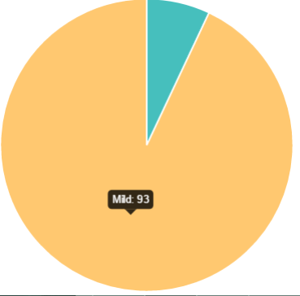 | Results as expected | Pass
2 | Graphical UI (Basic App) 12.1.2 | Basic App Report Breakdown by usage time category | Verify that Chart.js will display the pie chart format, with the percentage of number of users displayed when mouse hovers over the different section of the pie | Start Date: 06/04/2015 End Date: 06/04/2016 | Bootstrap test.zip (in iteration 3 folder). Select '06-04-2015' for both start date and end date and click on search | Category | Number Of User | Percentage Intense 0 0 Normal 1 25 Mild 3 75 | 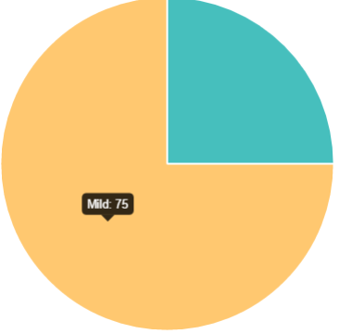 | Results as expected | Pass
3 | Graphical UI (Basic App) 12.2.1 | Basic App Report Breakdown by usage time category and demographics | Verify that Chart.js will display the pie chart format, with the percentage of number of users displayed when mouse hovers over the different section of the pie, together with the usage category(mild/normal/intense) based on the average daily smartphone usage time | Start Date: 06/04/2015 End Date: 06/04/2016 Categories (in sequence): Year, Gender, School | Bootstrap data-v1.zip. Select '06-04-2015' for both start date and end date, "Year, Gender, School" for category and click on search. Subsequently, click on the "Click me the breakdown" choosing "2011", "M" for graphical illustration | 2011: 26 (24%) M: 12 (11%) business: 1 (1%) Intense User:0(0)Normal User:0(0)Mild User:1(1) socsc: 5 (5%) Intense User:0(0)Normal User:0(0)Mild User:5(5) sis: 1 (1%) Intense User:0(0)Normal User:0(0)Mild User:1(1) economics: 2 (2%) Intense User:0(0)Normal User:0(0)Mild User:2(2) accountancy: 0 (0%) Intense User:0(0)Normal User:0(0)Mild User:0(0) law: 3 (3%) Intense User:0(0)Normal User:0(0)Mild User:3(3) ... | 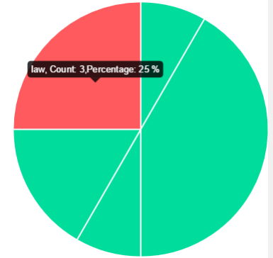 | Results as expected | Pass
4 | Graphical UI (Basic App) 12.2.2 | Basic App Report Breakdown by usage time category and demographics | Verify that Chart.js will display the pie chart format, with the percentage of number of users displayed when mouse hovers over the different section of the pie, together with the usage category(mild/normal/intense) based on the average daily smartphone usage time | Start Date: 06/04/2015 End Date: 06/04/2016 Categories (in sequence): Year, Gender, School | Bootstrap data-v1.zip. Select '06-04-2015' for both start date and end date, "Year, Gender, School" for category and click on search. Subsequently, click on the "Click me the breakdown" choosing "2013", "F" for graphical illustration | F: 5 (5%) business: 0 (0%) Intense User:0(0)Normal User:0(0)Mild User:0(0) socsc: 2 (2%) Intense User:0(0)Normal User:0(0)Mild User:2(2) sis: 0 (0%) Intense User:0(0)Normal User:0(0)Mild User:0(0) economics: 2 (2%) Intense User:0(0)Normal User:0(0)Mild User:2(2) accountancy: 1 (1%) Intense User:0(0)Normal User:0(0)Mild User:1(1) law: 0 (0%) Intense User:0(0)Normal User:0(0)Mild User:0(0) | 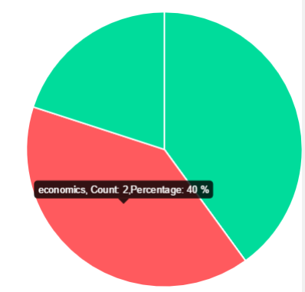 | Results as expected | Pass
5 | Graphical UI (Basic App) 12.2.3 | Basic App Report Breakdown by usage time category and demographics | Verify that Chart.js will display the pie chart format, with the percentage of number of users displayed when mouse hovers over the different section of the pie, together with the usage category(mild/normal/intense) based on the average daily smartphone usage time | Start Date: 06/04/2015 End Date: 06/04/2016 Categories (in sequence): Gender, School | Bootstrap test.zip (in iteration 3 folder). Select '06-04-2015' for both start date and end date, "Gender, School" for category and click on search. Subsequently, click on the "Click me the breakdown" choosing "F", "sis" for graphical illustration | M: 1 (25%) business: 1 (25%) Intense User:0(0)Normal User:0(0)Mild User:1(25) ... F: 3 (75%) business: 1 (25%) Intense User:0(0)Normal User:0(0)Mild User:1(25) sis: 1 (25%) Intense User:0(0)Normal User:0(0)Mild User:1(25) economics: 1 (25%) Intense User:0(0)Normal User:1(25)Mild User:0(0) ... | 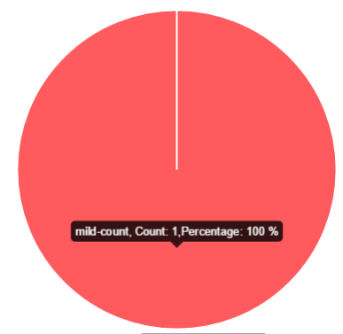 | Results as expected | Pass
6 | Graphical UI (Basic App) 12.3.1 | Basic App Report Diurnal Pattern of App Usage Time | Verify that Chart.js will display the pie chart format, with the percentage of number of users displayed when mouse hovers over the different section of the pie, together with the usage category(mild/normal/intense) based on the average daily smartphone usage time | Start Date: 06/04/2015 End Date: 06/04/2016 Gender: F School: SIS Year: <Empty> | Bootstrap test.zip (in iteration 3 folder). Select '06-04-2015' for both start date and end date, "F" for gender, "SIS" for school and click on search. | Period | Average Usage Time (in seconds) 13:00:00-14:00:00 40 ….(zero seconds for the rest of one-hour interval) |  | Results as expected | Pass
7 | Graphical UI (Basic App) 12.4.1 | Basic App Breakdown by app category | Verify that Chart.js will display both the bar chart and pie chart, with the the average usage time displayed when mouse hovers over the different section of the bar chart. The pie chart displays the percentage per app category |  | Bootstrap test.zip (in iteration 3 folder). Select '06-04-2015' for both start date and end date and click on search | App Category | Average Usage Time (in seconds) | Percentage books 0 0 education 0 0 entertainment 0 0 fitness 0 0 games 4315 99 information 0 0 library 0 0 local 0 0 others 0 0 social 24 1 tools 0 0 | 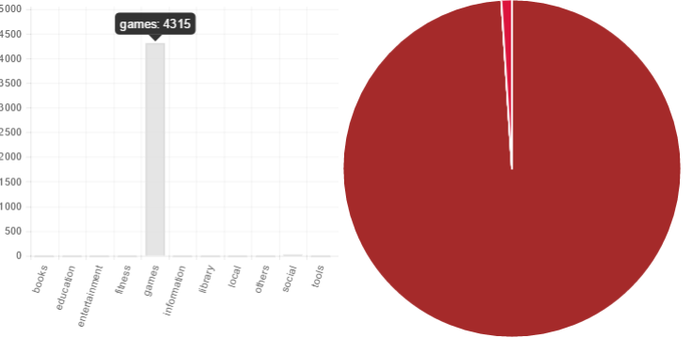 | Results as expected | Pass

10
11
12

Graphical UI (Top-K)
S/N | REQ ID | FUNCTIONALITY (as per requirements document) | DESCRIPTION | TEST INPUTS | TEST PROCEDURE | EXPECTED RESULTS | ILLUSTRATION | ACTUAL RESULTS | PASS / FAIL
1 | Graphical UI (Top-K App) 11.1.1 | Top-K most used apps (given a school) | Verify that Chart.js will display the bar chart in descending duration order (in rank), with duration value displayed when mouse hovers over the individual app | Start Date: 06/04/2015 End Date: 06/04/2015 Top-K value: 10 School: sis | Bootstrap data-v1.zip. Select '06-04-2015' for both start date and end date, select 'sis' for school, k-value as "10" and click on search | Rank | Name | Duration 1 WhatsApp 6080 2 KeyguardTestActivity 4933 3 Telegram 4346 4 Instagram 2688 5 System UI 1979 6 Android System 1859 7 com.android.keyguard 1776 8 Facebook 1602 9 TouchWiz Home 1411 10 Chrome 733 | 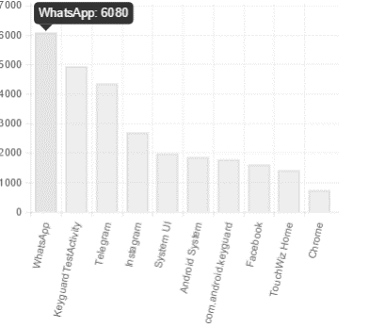 | Results as expected | Pass
2 | Graphical UI (Top-K App) 11.1.2 | Top-K most used apps (given a school) | Verify that Chart.js will display the bar chart in descending duration order (in rank), with duration value displayed when mouse hovers over the individual app | Start Date: 06/04/2015 End Date: 06/04/2015 Top-K value: 7 School: business | Bootstrap data-v1.zip. Select '06-04-2015' for both start date and end date, select 'business' for school, k-value as "7" and click on search | Rank | Name | Duration 1 WhatsApp 5127 2 Facebook 4223 3 KeyguardTestActivity 3359 4 TouchWiz Home 1962 5 Instagram 1808 6 Weibo 1380 7 System UI 1358 | 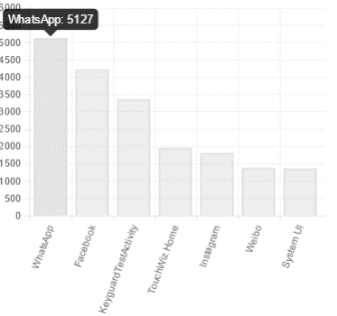 | Results as expected | Pass
3 | Graphical UI (Top-K App) 11.1.3 | Top-K most used apps (given a school) | Verify that Chart.js will display the bar chart in descending duration order (in rank), with duration value displayed when mouse hovers over the individual app | Start Date: 06/04/2015 End Date: 06/04/2015 Top-K value: 3 School: accountancy | Bootstrap data-v1.zip. Select '06-04-2015' for both start date and end date, select 'accountancy' for school, k-value as "3" and click on search | Rank | Name | Duration 1 WhatsApp 3325 2 Facebook 2560 3 System UI 1143 | 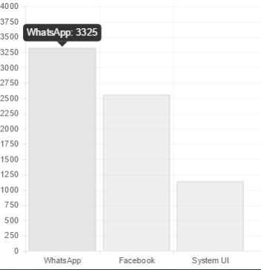 | Results as expected | Pass
4 | Graphical UI (Top-K Student) 11.2.1 | Top-K students with most app usage (given an app category) | Verify that Chart.js will display the bar chart in descending duration order (in rank), with user's name displayed when mouse hovers over the individual user | Start Date: 06/04/2015 End Date: 06/04/2015 Top-K value: 10 Category: education | Bootstrap data-v1.zip. Select '06-04-2015' for both start date and end date, select 'education' for school, top-k value as "10" and click on search | Rank | Mac Address |Name | Duration 1 b18e41125973cce8178e170cd6b8662820baa712 Jackson LIM 349 2 b5f3b6fd6b266eed9160a7c66b1c19b4c04d2022 Melissa CHUA 145 3 3aef6b35dca6f952a6437db56d09895e9d974e25 Nicholas TAN 28 4 1178f539931f4ab0d22a0cb35264808bf8291df0 Jon LAI 5 | 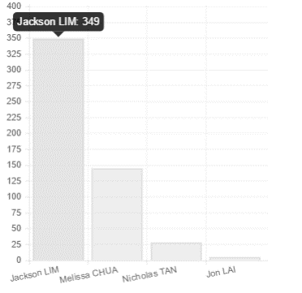 | Results as expected | Pass
5 | Graphical UI (Top-K Student) 11.2.2 | Top-K students with most app usage (given an app category) | Verify that Chart.js will display the bar chart in descending duration order (in rank), with user's name displayed when mouse hovers over the individual user | Start Date: 06/04/2015 End Date: 06/04/2015 Top-K value: 7 Category: others | Bootstrap data-v1.zip. Select '06-04-2015' for both start date and end date, select 'others' for category, top-k value as "7" and click on search | Rank | Mac Address |Name | Duration 1 67f681c982c63194f4584f0b4617c67accfe6cd1 Bryan HO 2855 2 dad1f1a3aaffa22e154292b3038c4c71276a0a1d Cherilyn KOH 2619 3 3aef6b35dca6f952a6437db56d09895e9d974e25 Nicholas TAN 2266 4 35bced8919cc4ffd1bcc020de25a57a6975eb971 Jackson TAN 2062 5 f0b7e79f7640370767aafc8862a699266e1567e0 Royston YIP 1906 6 8f4b34fac4fbbd9f6f8d190709f86cbb0338c0a8 Edmund CHAN 1898 7 422cb24fb85ba55eeb523c38c89be86f966d9ed2 Nicholas LAM 1782 | 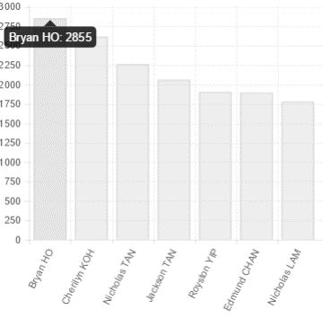 | Results as expected | Pass
6 | Graphical UI (Top-K Student) 11.2.3 | Top-K students with most app usage (given an app category) | Verify that Chart.js will display the bar chart in descending duration order (in rank), with user's name displayed when mouse hovers over the individual user | Start Date: 06/04/2015 End Date: 06/04/2015 Top-K value: 2 Category: information | Bootstrap data-v1.zip. Select '06-04-2015' for both start date and end date, select 'information' for category, top-k value as "2" and click on search | Rank | Mac Address |Name | Duration 1 7991a7037e543a00102068f6a16c15d647317718 Brandon LIU 822 2 f56f2eab18fc368aa0a2a28f68a8190f508dcd1a David LAM 582 | 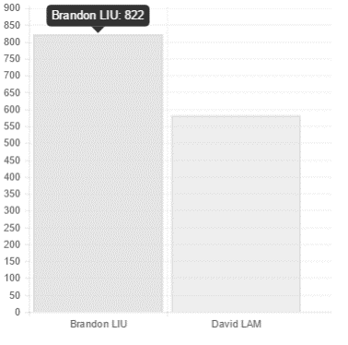 | Results as expected | Pass
7 | Graphical UI (Top-K Student) 11.2.4 | Top-K students with most app usage (given an app category) | Verify that Chart.js will not display the illustration bar chart when there is no data to be displayed in the table as well | Start Date: 06/04/2015 End Date: 06/04/2015 Top-K value: 5 Category: fitness | Bootstrap data-v1.zip. Select '06-04-2015' for both start date and end date, select 'fitness' for category, top-k value as "5" and click on search | <No table displayed> | <No bar chart displayed> | Results as expected | Pass
6 | Grpahical UI (Top-K School) 11.3.1 | Top-K schools with most app usage (given an app category) | Verify that Chart.js will display the bar chart in descending duration order (in rank), with school's name displayed when mouse hovers over the individual school | Start Date: 06/04/2015 End Date: 06/04/2015 Top-K value: 10 Category: others | Bootstrap data-v1.zip. Select '06-04-2015' for both start date and end date, select 'others' for category, top-k value as "10" and click on search | Rank | School | Duration 1 socsc 18778 2 business 14777 3 sis 13694 4 economics 13066 5 law 5862 6 accountancy 4535 | 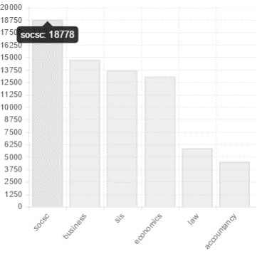 | Results as expected | Pass
6 | Grpahical UI (Top-K School) 11.3.2 | Top-K schools with most app usage (given an app category) | Verify that Chart.js will display the bar chart in descending duration order (in rank), with school's name displayed when mouse hovers over the individual school | Start Date: 06/04/2015 End Date: 06/04/2015 Top-K value: 7 Category: entertainment | Bootstrap data-v1.zip. Select '06-04-2015' for both start date and end date, select 'entertainment' for category, top-k value as "7" and click on search | SELECT * FROM `app` as app, `demographic` as demo, `applookup` as appLookup WHERE app.`macAddress` = demo.`macAddress`and app.`appID` = appLookup.`appID` and appLookup.`category` = "entertainment" |  | Results display sis as the only record | Fail
6 | Grpahical UI (Top-K School) 11.3.3 | Top-K schools with most app usage (given an app category) | Verify that Chart.js will display the bar chart in descending duration order (in rank), with school's name displayed when mouse hovers over the individual school | Start Date: 06/04/2015 End Date: 06/04/2015 Top-K value: 10 Category: tools | Bootstrap data-v1.zip. Select '06-04-2015' for both start date and end date, select 'tools' for category, top-k value as "10" and click on search | Rank | School | Duration 1 accountancy 1628 2 sis 464 3 socsc 126 |  | Results as expected | Pass
7 | Grpahical UI (Top-K School) 11.3.4 | Top-K schools with most app usage (given an app category) | Verify that Chart.js will not display the illustration bar chart when there is no data to be displayed in the table as well | Start Date: 06/04/2015 End Date: 06/04/2015 Top-K value: 7 Category: information' | Bootstrap data-v1.zip. Select '06-04-2015' for both start date and end date, select 'information' for category, top-k value as "7" and click on search | <No table displayed> | <No bar chart displayed> | Results as expected | Pass

